Sheet1
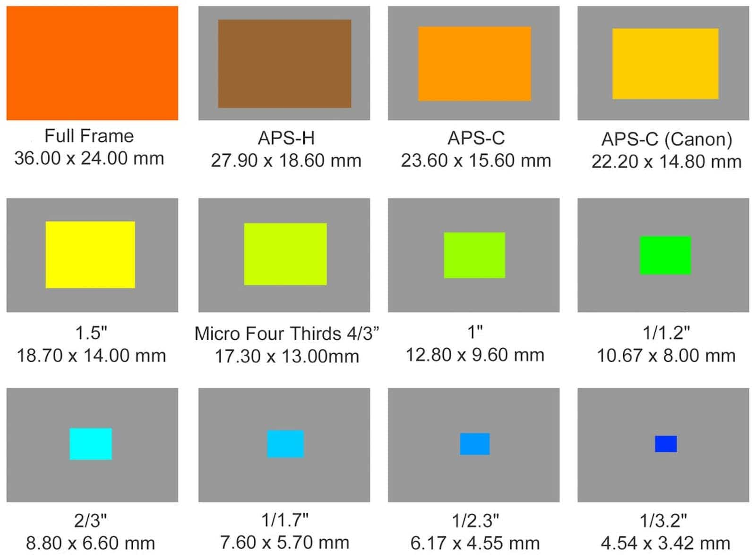
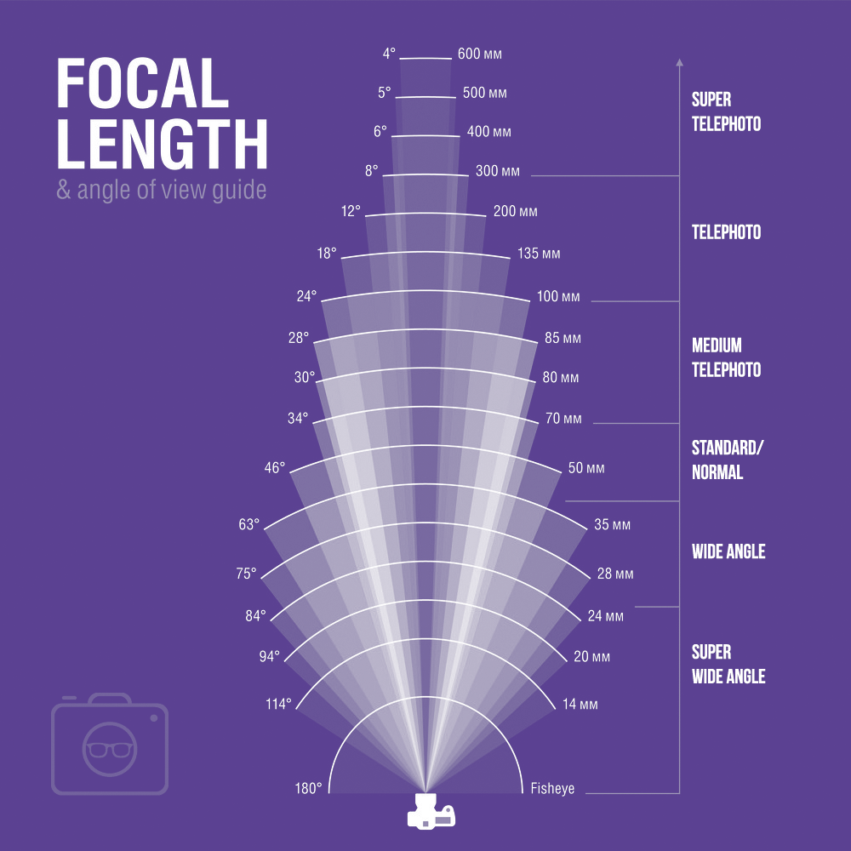
Camera Parameters |  |  |  |  | Environmental Parameters |  |  |  |  | Lens Parameters |  |  |  |  | Stereo Vision Parameters
Name | Value | Units | Source | Comments | Name | Value | Units | Source | Comments | Name | Value | Units | Source | Comments | Name | Value | Units | Source | Comments
Horizontal Resolution | 720 | px | https://www.flir.ca/products/blackfly-s-usb3/?vertical=machine+vision&segment=iis |  | Working Distance (WD) | 2 | m | https://www.edmundoptics.com/knowledge-center/application-notes/imaging/11-best-practices-for-better-imaging/ | 2-4 x HFOV | Focal Length (f) | 6 | mm | Temp lens |  | Calibration Projection Error | 0.60 | px | polina_test
Vertical Resolution | 540 | px | - |  | HFOV | 1.66 | m | https://www.edmundoptics.com/knowledge-center/application-notes/imaging/understanding-focal-length-and-field-of-view/ |  | Angular Field of View (AFOV) | 44.98 | deg | https://www.edmundoptics.com/knowledge-center/application-notes/imaging/understanding-focal-length-and-field-of-view/ |  | Absolute Uncertainty at WD | 1.38 | mm
Pixel Size | 6.9 | um | - |  | Ball Diameter (D) | 50 | mm | caliper measurement |  | Primary Magnification (m) | 0.00300 |  | https://www.edmundoptics.com/knowledge-center/application-notes/imaging/6-fundamental-parameters-of-an-imaging-system/ |  | Relative Uncertainty at WD (% of D) | 3%
Horizontal Sensor Length (H) | 4.97 | mm |  |  | Table Width | 1 | m |  |  | F-number (f/#, N) | 1.4 |  |  |  | Acceptable Relative Uncertainty at WD | 5%
Vertical Sensor Length (V) | 3.73 | mm |  |  | Table Length | 2.5 | m |  |  | Open Aperture Diameter (Ø) | 25.5 | mm | Temp lens |  | Angle of Each Camera to Baseline | 70 | deg
Sensor Format | 1/2.9 | " | - |  | HFOV | 2.69 |  |  |  | Actual Aperture Diameter (Ø) | 18.21 | mm |  |  | Dist from rotation center to barrel tip (R) | 300 | mm
IRC Filter Thickness | 1.00 | mm | https://www.flir.com/support-center/iis/machine-vision/application-note/selecting-a-lens-for-your-camera/ |  | WD | 3.25 | m |  |  | ξ_Object Space [lp/mm] | 0.217 | lp/mm | https://www.edmundoptics.com/knowledge-center/application-notes/imaging/resolution/ |  | Minimum discernable motor resolution (theta) | 0.44 | deg
Sensor Package Window Thickness | 0.50 | mm | - |  |  |  |  |  |  | ξ_Object Space [mm] | 2.30 | mm | - | Min resolved spot | Frames needed for prediction | 20
C-mount Back Flange Distance | 17.53 | mm | - |  |  |  |  |  |  | Circle of Confusion (CoC) | 0.006 | mm | https://www.capcam.org/theory/ | CoC should be slightly smaller than 1px (e.g. 90%) | Time for prediction | 250 | ms
Total Back Flange Distance (BFD) | 19.03 | mm |  |  |  |  |  |  |  | Hyperfocal Distance | 4146.8 | mm |  |  | Maximum exposure time | 12500 | us
ξ_Image Space | 72.46 | lp/mm | https://www.edmundoptics.com/knowledge-center/application-notes/imaging/resolution/ |  |  |  |  |  |  | Near Limit of Focus | 699.2 | mm
 |  |  |  |  |  |  |  |  |  | Far Limit of Focus | 1994.4 | mm
 |  |  |  |  |  |  |  |  |  | Depth of Field (DoF) | 2693.6 | mm | https://damienfournier.co/dof-the-simplified-formula-to-understand-dof/
 |  |  |  |  |  |  |  |  |  | Depth of Field (DoF) | 2.51 | m | - |  |  |  |  |  |  | 7.58389

